TEDB Edition 40
The number of e-scooters that North Americans had access to decreased from 2019 to 2020, while the number of e-bikes nearly doubled. There was only a slight decline in the number of available pedal bikes.

Figure 7.4. Shared Micromobility Vehicles in North America, 2019–2020

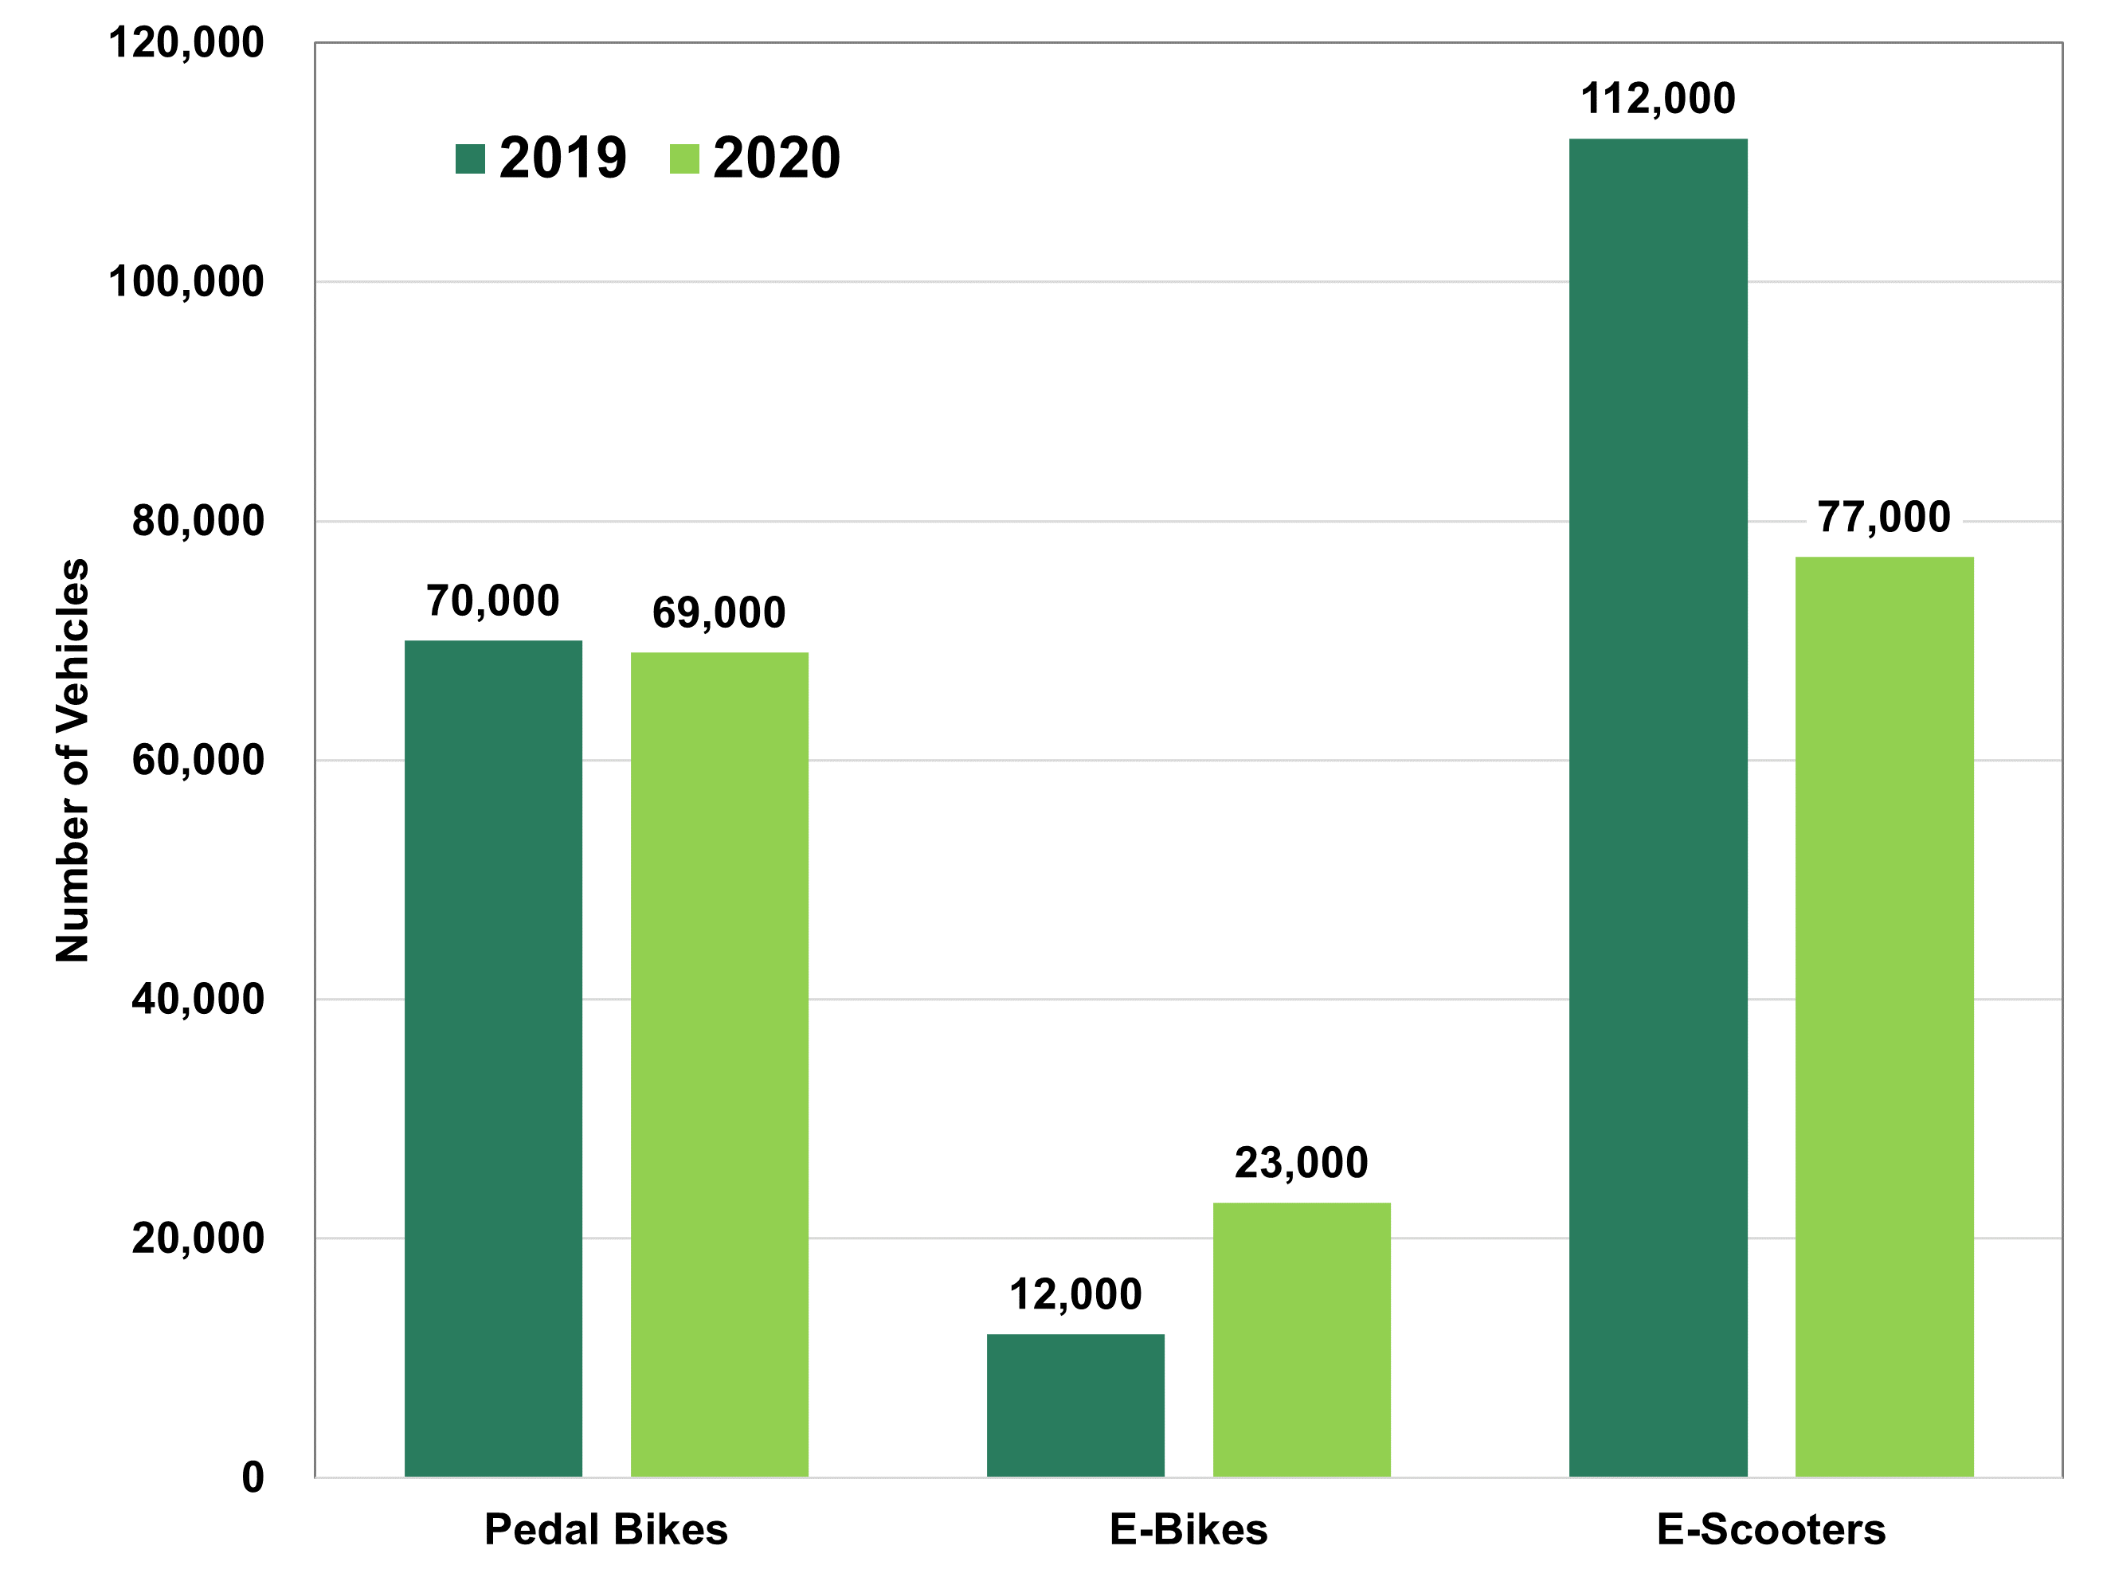

 | Number of Vehicles
Vehicle Type | 2019 | 2020
Pedal Bikes | 70,000 | 69,000
E-Bikes | 12,000 | 23,000
E-Scooters | 112,000 | 77,000

Source: North American Bikeshare and Scootershare Association (NABSA), 2nd Annual Shared Micromobility State of the Industry Report, 2021. (Additional information: nabsa.net)

